Screen Description
 |  |  | [ros-2018] BASIC DESIGN |  |  | System name |  |  | Screen/Module Name
 |  |  |  |  |  | Golden Bowl |  |  | Order Page |  |  |  |  | Version | 2.000
 |  |  |  |  |  |  |  |  |  |  |  |  |  | Create Date | 2018-07-29 | Created By | Oplas, Andrew
 |  |  |  |  |  |  |  |  |  |  |  |  |  | Update Date | 2018-10-17 | Updated by | Oplas, Andrew

Screen Description |  |  |  |  |  |  |  |  |  |  |  |  |  | Purpose

 |   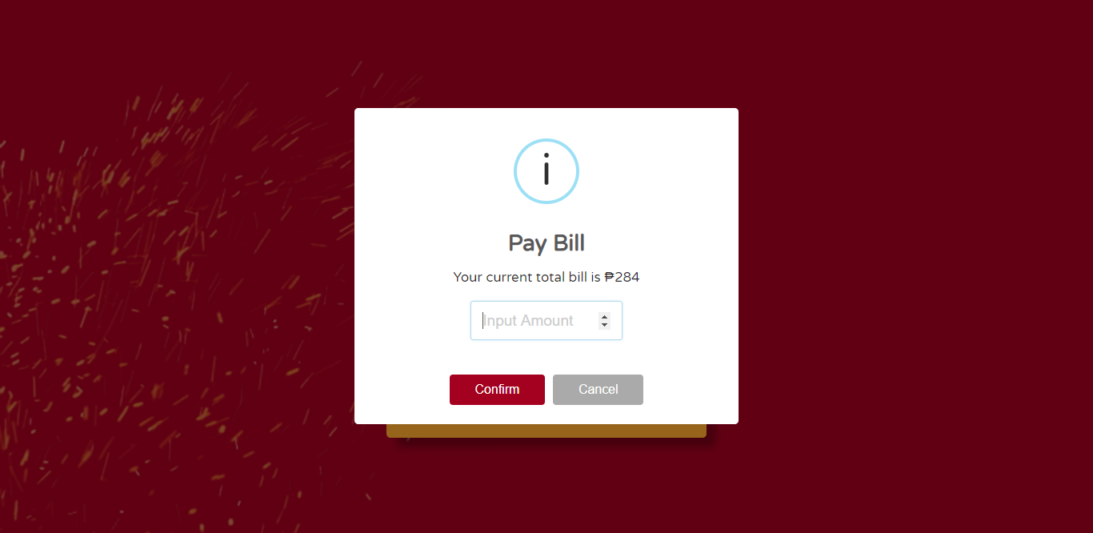 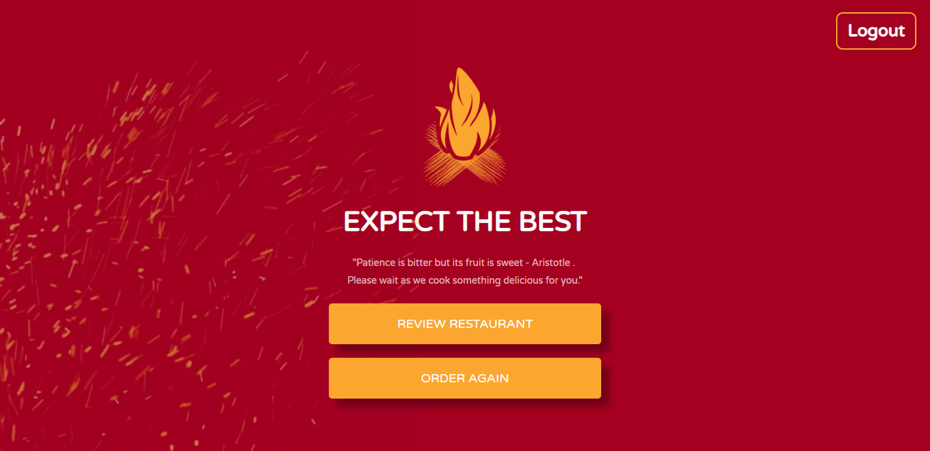 |  |  |  |  |  |  |  |  |  |  |  |  | The main purpose of this screen is to be the waiting area of the user after finalizing the order. The user may also opt to cancel, pay the bill as well as order again after paying the bill.

 |  |  |  |  |  |  |  |  |  |  |  |  |  | Flow

 |  |  |  |  |  |  |  |  |  |  |  |  |  | The user may cancel the order and will be redirected to the menu page. The user may also click the 'Start Cooking Now' button to set the countdown to zero and notify the administrator that the order is finalized and will not cancel. User may pay the bill and may review the restaurant or order again

1
2
3
4
5
6

Screen Details

 | Item | Screen Item |  | Attribute | Mandatory |  | Range of Values | Format |  | Length | Default | Alignment | Remarks
 | 1 | txtBill |  | TextField | ○ |  | numeric values | N/A |  | 1 ~ 10 | 1 | Left

